Sheet1
PHOT | Style Number | CATEG | OLOUR | ORDE FM | WHLS | S | M | L | XL | XXL | QTY | VALUE
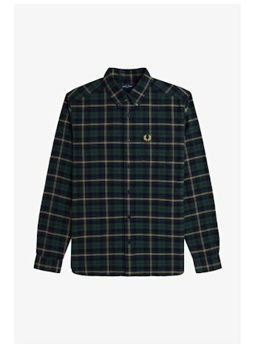 | M9621 | Oxford Tartan Shirt | 608 Navy | SHARP | 77.10 € | 4 | 9 | 12 | 11 | 4 | 40 | 3,084.00 €
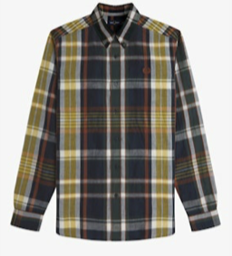 | M9625 | Madras Check Shirt | 608 Navy | SHARP | 83.40 € | 3 | 6 | 8 | 6 | 3 | 26 | 2,168.40 €
 | M9625 | Madras Check Shirt | M02 Burnt Red | SHARP | 83.40 € | 3 | 6 | 8 | 6 | 3 | 26 | 2,168.40 €
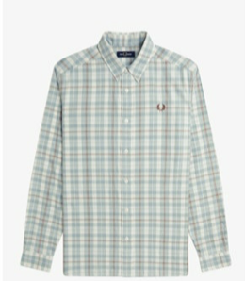 | M9622 | Twill Tartan Shirt | 560 Ecru | SHARP | 77.10 € | 3 | 6 | 8 | 6 | 3 | 26 | 2,004.60 €
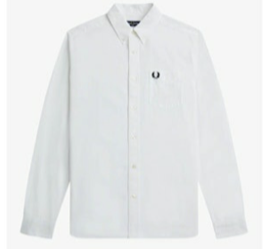 | M5516 | Oxford Shirt | 100 White B | SHARP | 60.40 € | 4 | 9 | 12 | 11 | 4 | 40 | 2,416.00 €
 | M5516 | Oxford Shirt | X89 Court Green | SHARP | 60.40 € | 4 | 9 | 12 | 11 | 4 | 40 | 2,416.00 €
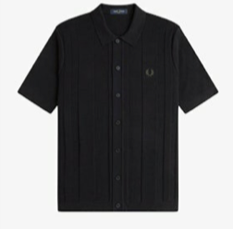 | K9727 | Button Through Short Sleeve Shirt | 102 Black | SHARP | 89.60 € | 3 | 6 | 8 | 6 | 3 | 26 | 2,329.60 €
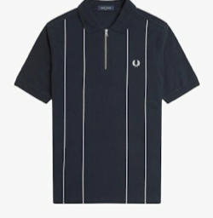 | M9871 | Pinstripe Zip Neck Polo Shirt | 608 Navy | SPORT | 65.50 € | 3 | 6 | 8 | 6 | 3 | 26 | 1,703.00 €
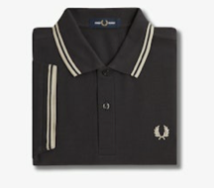 | M3600 | The Twin Tipped Fred Perry Shirt (continued) | V56 Anchor Grey / Oatmeal / Oatmeal | SPORT | 41.70 € | 3 | 6 | 8 | 6 | 3 | 26 | 1,084.20 €
 | M3600 | The Twin Tipped Fred Perry Shirt (continued) | Y39 Cinnamon / Nut Flake / Carrington Road Brick | SPORT | 41.70 € | 3 | 6 | 8 | 6 | 3 | 26 | 1,084.20 €
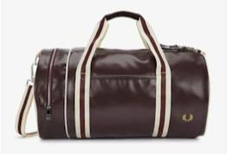 | L7255 | Classic Barrel Bag | R82 Oxblood / Ecru | SPORT | 53.20 € | 20 |  |  |  |  | 20 | 1,064.00 €
 |  |  |  |  |  |  |  | TOTAL |  |  | 322 | 21,522.40 €

